France DIREN_SECTACT - ISIC4
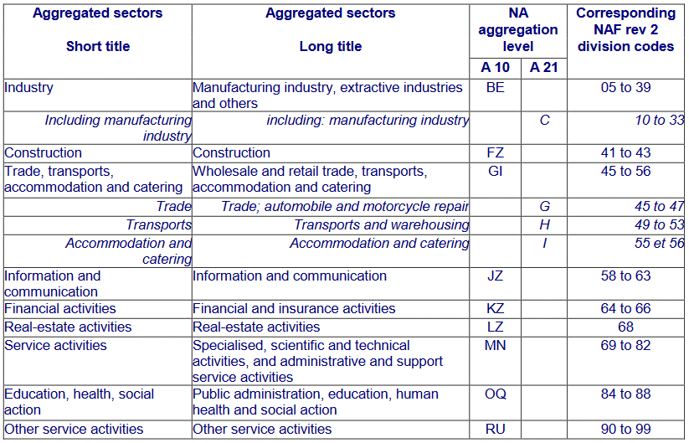
DIREN_SECTACT | Secteur d`activité | ISIC rev.4* | https://www.insee.fr/fr/metadonnees/source/fichier/Creations_methodo_eng.pdf
AZ | Agriculture, sylviculture et pêche | A
BE | Industrie | BTE
C | Industrie manufacturière | C
C1 | Fabrication de denrées alimentaires, de boissons et de produits à base de tabac | C10T12
C2 | Cokéfaction et raffinage | C19
C3 | Fabrication d`équipements électriques, électroniques, informatiques ; fabrication de machines | C26T28
C4 | Fabrication de matériel de transport | C29T30
C5 | Fabrication d`autres produits industriels | C13T18_20T25_31T33
DE | Industries extractives, énergie, eau, déchets | B_D_E
FA | Activités financières et d`assurance hors holdings | KX642
FZ | Construction | F
G | Commerce et réparation automobile | G
H | Transports et entreposage | H
HO | Activité des sociétés holdings (6420) | K642
HS | Holdings et sièges sociaux | K642_N701
I | Hébergement et restauration | I
IM | Activités immobilières (LZ) + promotion immobilière | L_F4110
JZ | Information et communication | J
KZ | Activités financières et d`assurance | K
LZ | Activités immobilières | L
MH | Soutien aux entreprises hors sièges sociaux | M_NX701
MN | Soutien aux entreprises | M_N
NC | Non classé | _X
PQ | Enseignement, santé humaine et action sociale | P_Q
PS | Enseignement, santé humaine, action sociale et services aux ménages | P_Q_S95
RS | Services aux ménages | S95
ZZ | Tous secteurs | _T

*) Notation: "_" - union; "X" - exclusion; "T" - range; "_T" - total; "_X" - other sectors

